Dashbord
HR
Dashbord
Analyze and monitor the HR department
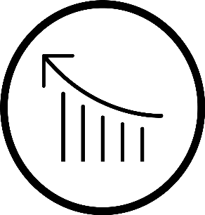
 | Total
Central | 14
East | 10
North | 7
South | 10
West | 9
Regons
employee for regon
2.6
Average rating


Employees Number
50
total employee
Leave Tracking
leave tecken by gob titel


 | Analyst | Designer | Developer | HR Specialist | Manager
 | 28 | 110 | 104 | 123 | 122

Skills BreakDown

Males
Females

Communication
12
 | 48%
 | 52%
 | 52%
 | 48%

Design
11
52%
48%
Excel specialists
7
Contract | 17
Full-Time | 20
Part-Time | 13
13
Part time Employee
20
Full time Employee
Employee with Contract
17
Employment status breakdown

Management
11
Age Range
Number of employees according to age range
female male
salaries
salary amunt by job title
Python
9

Work location
Emplyees to place
 | Female | Male
18-25 | 6 | 3
26-35 | 7 | 6
36-45 | 5 | 7
46-55 | 4 | 3
56 < | 4 | 5
Total salaries
3104913

Managers
731170
 | 46% | 54%
Branch Office
46%
HR specialists
959266
Developers
 | 16% | 84%
Head Office
633594
16%
Designers
613842
Remote
 | 38% | 62%
Analysts
167041
38%

